Game_world
 | AUTO_B |  | AUTO_C |  |  | AUTO_D
X4
3
4
X3
R2
3
4
3
4
9
X2
6
9
6
9
6
0
R1
7
0
R1
X2
7
0
7
8
5
X1
8
X1
8
X2
R1
X2
5
2
2
2
X3
R2
X3
X1
1
1
1
X4
R3

 | 1. Blue and red rotation values may be slightly different
 | 2. not sure if rotation (SIDE) sign in correct
 | 3. some timing parameters may also need to adjust

3
4
9
X4
6
 | SKILLS |  | GAME STRATEGY
 |  |  | 1 | VERY ACCURATE LONG RANGE SHOOTING -- that is how we can be special and make us attractive to be picked with 100% long range shooting accuracy
 |  |  | 2 | WHOEVER POSSESS MORE FIELD BALLS WIN
0
R1
X2
X3
MAGIC_2 grab more balls and shoting
R2
7
 |  |  |  | 2.1 | shoot the first bank shots very quickly (4-8)
X1
8
MAGIC_1 repositioning
5
 |  |  |  | 2.2 | do a big O loop to push balls to our corner
X2
R2
X3
X1
2
R1
 |  |  |  | 2.3 | and grab a few balls and move back to long range shooting position
1
 |  |  |  | 2.4 | shoot all the preloads; now pick up from our corner and shoot them slowly
 |  |  |  | 2.5 | don't rush the long range shooting, time is not issue, accuracy is
PROGRAM SKILLS: |  |  | 3 | NO MISTAKE -- it is all about procedure, discipline and focus
 | fully automatic, just let 2 loaders load |  |  |  | no broken rubber band
ROBOT SKILLS: |  |  |  |  | AUTON the first 4 shots have to be 100%
 | need 4 people: as of now -- its possible to move magic buttons to one controller to combine shooter and magic button controller
 |  | single shooter | 4 | COORDINATE WITH ALLIANCE, SCOUTING OPPONENTS
 |  | magic button controller |  |  | even a bad alliance can help if right strategy is used
 |  | two loaders |  |  | learn how to play defense without getting DQ'd
 | push 8L | fire 31; load last 1; and do magic_1 to reposition |  |  | prevent the opponent from high-lifting using defense
 | fire 2 single shots to position correctly
 | push 8U | to fire extra 31 in a row
 |  | any extra balls do single shots at the end (if we are lucky to have picked a few balls)
 | push 8R | to perform magic 2; will try to grab and back off
 |  | now fully manual control
 | also maybe turn on intaker so we can be lucky???

CtrlUI _world
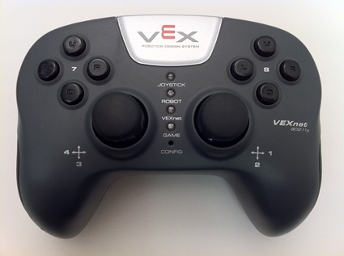
 | DRIVER CONTROL |  | ROBOT SKILLs |  | Testing-A |  | Testing-B
Button | Function | Note |  |  | Function | Note | Function | Note
Ch1
Ch2 | Fwd/Bkwd | Fwd + | Fwd/Bkwd | Fwd + | Fwd/Bkwd |  | Fwd/Bkwd
Ch3
Ch4 | Rotation | Right + | Rotation | Right + | Rotation |  | Rotation
7L |  |  |  |  | pull slightly -> some value |  | magic_1 |  | test individual modes seperately
7U |  |  |  |  |  |  | end of prgskill (magic_2 + shooting)
7R |  |  |  |  | cycle bat motor
7D | Bail Out |  | Bail Out |  | Bail Out |  | Bail Out
8L |  |  | shoot 31 and magic_1 position |  | move_x |  | auto_a
8U |  |  | shot 30 |  | rotate |  | auto_b
8R |  |  | magic_2 |  | move_x |  | auto_c
8D |  |  |  |  | rotate |  | auto_d
5U | Intake off |  |  |  | feeder once
5D | Intaker on |  | Intaker on
6U | Intaker off |  | Intaker off
6D | Intaker out |  | Intaker out
Ch1Xmtr2
Ch2Xmtr2 | Manually swing bat |  | same as DRIVER
Ch3Xmtr2
Ch4Xmtr2
7LXmtr2 | DIST = Short
7UXmtr2 | DIST = Medium
7RXmtr2 | DIST = Long
7DXmtr2 | DIST = SKILLS
8LXmtr2 | manual feed one ball
8UXmtr2 | DIST+1
8RXmtr2 | Shoot one
8DXmtr2 | DIST-1
5UXmtr2
5DXmtr2 | Rotate slightly left
6UXmtr2
6DXmtr2 | Rotate slightly right

CortexMapping
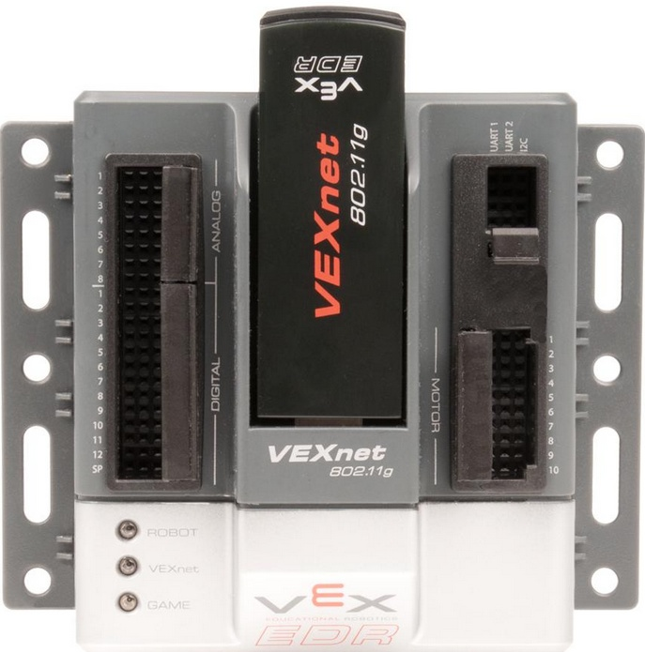
 |  |  | Name | wire/ctrl | wire color | I2C | I2C_name | gearing | Sensor interface | Notes
 | Motor ports
 |  | port2 | M_WHEEL_L |  |  | I2C_2 | Y cable |  | normal gearing | Port 2-5 are connected to A-D ports of power expander, the order is 2-5 vs D-A (aligned vertically) | Port 2-5 are connected to A-D ports of power expander, the order is 2-5 vs D-A (aligned vertically)
 |  | port3 | M_WHEEL_R |  |  | I2C_3 | Y-cable |  |  | 5 bat motors are connected to 3 ports using Y split, the orange on port 4 seperately, the other 4 are splitted, (the poles of gray and magentia has to be reversed to rotate correctly) | 5 bat motors are connected to 3 ports using Y split, the orange on port 4 seperately, the other 4 are splitted, (the poles of gray and magentia has to be reversed to rotate correctly)
 |  | port4 | M_BAT_1 |  |  |  |  |  |  | 5 bat motors are connected to 3 ports using Y split | 5 bat motors are connected to 3 ports using Y split
 |  | port5 | M_BAT_2 |  |  |  |  |  | high-speed
 |  | port1 | M_INTAKE_L |  |  |  |  | high-speed | getFeederVal() -> Feeder_val in 0.1 inch
 |  | port10 | M_INTAKE_R |  |  |  |  | high-speed | high-speed
 |  | port6 | M_BAT_3 |  |  |  |  | normal gearing | getWheelVal() ->Wheel_val in 0.01 inch wheel_speed is in inch/second
 |  | port7 | M_BAT_4
 |  | port8 | M_BAT_5
 |  | port9 | M_FEEDER |  |  | I2C_1 | high-speed
 | Sensor ports
 |  | dgtl1 (2) | SE_BAT |  |  |  |  |  | getBatval() -> Bat_val in degree | Important not to put the pins in the wrong order
 |  | dgtl3 (4) | US_BALL_1 |  |  |  |  |  | is_ball_queued; getUS1Val -> US1_val in mm | input/ouput has order when put in the pints
 |  | dgtl5 (6) | US_BALL_0 |  |  |  |  |  | is_ball_loaded; ; getUS0Val -> US0_val in mm
 |  | dgtl7 | T_BALL | ??? TO BE DETermined |  |  |  |  | count balls
 |  | dgtl8
 |  | dgtl9
 |  | dgtl10
 |  | dgtl11 | LED1 |  |  |  |  |  | yellow status indicator
 |  | dgtl12 | LED2 |  |  |  |  |  | green readiness indicator
 |  | in1 | POWER2 |  |  |  |  |  | Volt2() gives the second battery v in .001v | The scaling factor is adjusted
 |  | in2 | G_Sensor |  |  |  |  |  | getGyroVal() ->Gyro_val in 0.1 degree getWheelVal() auto get the value by default
 |  | in3
 |  | in4
 |  | in5
 |  | in6
 |  | in7
 |  | in8
 | Other
 |  | sp | SPEAKER
 |  | UART2 | LCD
 |  | I2C | daisy chain |  |  |  |  |  |  | The I2C connector sometimes are loose be careful
TO DO
 | do we need add light sensors later
 | use battery clips later
 | add spearker later

Motor303Spec
 |  |  |  |  |  |  | Gear up 1.6x |  | Gear up 1.6x
Torque | Speed | Torque | Power Out | Current | Power Input | Efficency | Torque | Speed | Torque | Speed
Nm | RPM | in-lbs | W | A | W | % | Nm | RPM | Nm | RPM
1.67 | 0.00 | 14.80 | 0.00 | 4.80 | 34.56 | 0.00 | 1.04 | 0.00 | 1.39 | 0.00
1.59 | 5.00 | 14.06 | 0.83 | 4.57 | 32.90 | 2.53 | 0.99 | 8.00 | 1.32 | 8.00
1.50 | 10.00 | 13.32 | 1.57 | 4.34 | 31.25 | 5.04 | 0.94 | 16.00 | 1.25 | 16.00
1.42 | 15.00 | 12.58 | 2.23 | 4.11 | 29.59 | 7.54 | 0.89 | 24.00 | 1.18 | 24.00
1.34 | 20.00 | 11.84 | 2.80 | 3.88 | 27.94 | 10.02 | 0.84 | 32.00 | 1.11 | 32.00
1.25 | 25.00 | 11.10 | 3.28 | 3.65 | 26.28 | 12.48 | 0.78 | 40.00 | 1.04 | 40.00
1.17 | 30.00 | 10.36 | 3.67 | 3.42 | 24.62 | 14.92 | 0.73 | 48.00 | 0.97 | 48.00
1.09 | 35.00 | 9.62 | 3.98 | 3.19 | 22.97 | 17.33 | 0.68 | 56.00 | 0.91 | 56.00
1.00 | 40.00 | 8.88 | 4.20 | 2.96 | 21.31 | 19.71 | 0.63 | 64.00 | 0.84 | 64.00
0.92 | 45.00 | 8.14 | 4.33 | 2.73 | 19.66 | 22.03 | 0.57 | 72.00 | 0.77 | 72.00
0.84 | 50.00 | 7.40 | 4.37 | 2.50 | 18.00 | 24.30 | 0.52 | 80.00 | 0.70 | 80.00
0.75 | 55.00 | 6.66 | 4.33 | 2.27 | 16.34 | 26.50 | 0.47 | 88.00 | 0.63 | 88.00
0.67 | 60.00 | 5.92 | 4.20 | 2.04 | 14.69 | 28.59 | 0.42 | 96.00 | 0.56 | 96.00 | 0.696
0.58 | 65.00 | 5.18 | 3.98 | 1.81 | 13.03 | 30.55 | 0.37 | 104.00 | 0.49 | 104.00
0.50 | 70.00 | 4.44 | 3.67 | 1.58 | 11.38 | 32.30 | 0.31 | 112.00 | 0.42 | 112.00
0.42 | 75.00 | 3.70 | 3.28 | 1.35 | 9.72 | 33.76 | 0.26 | 120.00 | 0.35 | 120.00
0.33 | 80.00 | 2.96 | 2.80 | 1.12 | 8.06 | 34.72 | 0.21 | 128.00 | 0.28 | 128.00
0.25 | 85.00 | 2.22 | 2.23 | 0.89 | 6.41 | 34.82 | 0.16 | 136.00 | 0.21 | 136.00
0.17 | 90.00 | 1.48 | 1.57 | 0.66 | 4.75 | 33.14 | 0.10 | 144.00 | 0.14 | 144.00
0.08 | 95.00 | 0.74 | 0.83 | 0.43 | 3.10 | 26.85 | 0.05 | 152.00 | 0.07 | 152.00
0.00 | 100.00 | 0.00 | 0.00 | 0.20 | 1.44 | 0.00 | 0.00 | 160.00 | 0.00 | 160.00
 |  |  |  |  |  |  |  | RPM | torque | Torquex1.666 Remove gear | RPM-effective
 | MAX OUTPUT POWER |  | 4.37 |  |  |  |  | 65 | 0.58 | 0.9747519495 | 64
 | MAX EFFICIENCY |  |  |  |  | 34.82 |  | average rpm will be (72+160)/2 ->110
 |  |  |  |  |  |  |  | now average rpm is (65+100) -> 80
 | Design for load <50% of stalling torque; otherwise the power efficiency starts to drop significantly
 | A good design point is 60% speed (60RPM) and 40% load (67 torque)
393 Spec

Trajectory
This spreadsheet calculate the impact mechanics and launch trajectory

Impact mechanics |  |  |  |  |  | Ball trajectory --> vball 7m/s at 45-55 degree is a good design (least sensitive to angle error)
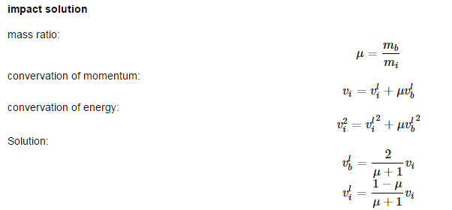
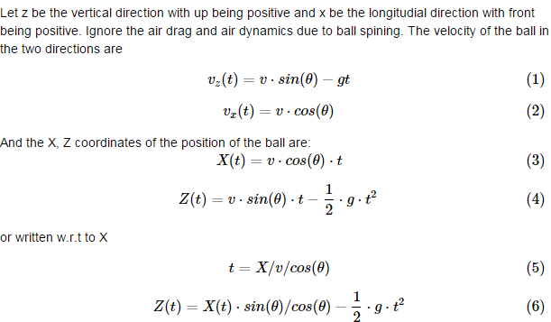

 |  |  |  |  |  | Our target is about x=13.5 ft, z = 2.5 ft (we starts at 1.5 ft)
 | M_i | impactor mass | 150 | grams |  | v | initial ball speed | 7.8 | m/s | 7 |  | 7
 | M_b | ball mass | 50 | grams |  | theta | impact angle (deg) | 35 |  | 48 |  | 55
 | L_i | impactor arm length | 7.5 | inches |  | cos_theta |  | 0.82 |  | 0.67 |  | 0.57
 | RPM_i | peak RPM of impactor | 300 |  | geared at 3 x 100RPM + rubber band | sin_theta |  | 0.57 |  | 0.74 |  | 0.82
 | v_i | impactor tip speed | 5.98 | m/s |  | use 48 deg launcher angle (mv fwd backwd)
 | v_b | ball speed after impactor | 8.98 | m/s |  |  | X (in ft) | t | Z in ft | t | Z in ft | t | Z in ft | Target
 | v_i_2 | residual speed of impactor | 2.99 | m/s |  |  | 0 | 0.00 | 0.00 | 0.00 | 0.00 | 0.00 | 0.00 | 0.00
 | total energy need (conserative estimate) |  | 2.69 | J |  |  | 1 | 0.05 | 0.66 | 0.07 | 1.04 | 0.08 | 1.34 | 0.00
 |  |  |  |  |  |  | 2 | 0.10 | 1.25 | 0.13 | 1.95 | 0.15 | 2.49 | 0.00
 |  |  |  |  |  |  | 3 | 0.14 | 1.77 | 0.20 | 2.72 | 0.23 | 3.45 | 2.50
 |  |  |  |  |  |  | 4 | 0.19 | 2.22 | 0.26 | 3.35 | 0.30 | 4.23 | 2.50
 |  |  |  |  |  |  | 5 | 0.24 | 2.59 | 0.33 | 3.85 | 0.38 | 4.82 | 0.00
 |  |  |  |  |  |  | 6 | 0.29 | 2.88 | 0.39 | 4.21 | 0.46 | 5.23 | 0.00
 |  |  |  |  |  |  | 7 | 0.33 | 3.11 | 0.46 | 4.44 | 0.53 | 5.46 | 2.50
 |  |  |  |  |  |  | 8 | 0.38 | 3.26 | 0.52 | 4.53 | 0.61 | 5.50 | 2.50
 |  |  |  |  |  |  | 9 | 0.43 | 3.34 | 0.59 | 4.48 | 0.68 | 5.35 | 0.00
 |  |  |  |  |  |  | 10 | 0.48 | 3.34 | 0.65 | 4.30 | 0.76 | 5.02 | 0.00
 |  |  |  |  |  |  | 11 | 0.52 | 3.28 | 0.72 | 3.98 | 0.84 | 4.50 | 0.00
 |  |  |  |  |  |  | 12 | 0.57 | 3.13 | 0.78 | 3.52 | 0.91 | 3.80 | 0.00
 |  |  |  |  |  |  | 12.5 | 0.60 | 3.04 | 0.81 | 3.25 | 0.95 | 3.38 | 0.00
 |  |  |  |  |  |  | 13 | 0.62 | 2.92 | 0.85 | 2.93 | 0.99 | 2.91 | 2.5
 |  |  |  |  |  |  | 13.5 | 0.64 | 2.79 | 0.88 | 2.59 | 1.02 | 2.40 | 2.5
 |  |  |  |  |  |  | 14 | 0.67 | 2.63 | 0.91 | 2.21 | 1.06 | 1.84 | 2.5
 |  |  |  |  |  |  | 15 | 0.72 | 2.27 | 0.98 | 1.34 | 1.14 | 0.58 | 0.00
 |  |  |  |  |  |  | 16 | 0.76 | 1.84 | 1.04 | 0.34 | 1.21 | 0.00 | 0.00
 |  |  |  |  |  |  | 17 | 0.81 | 1.33 | 1.11 | 0.00 | 1.29 | 0.00 | 0.00
 |  |  |  |  |  |  | 18 | 0.86 | 0.75 | 1.17 | 0.00 | 1.37 | 0.00 | 0.00
 |  |  |  |  |  |  | 19 | 0.91 | 0.10 | 1.24 | 0.00 | 1.44 | 0.00 | 0.00
 |  |  |  |  |  |  | 20 | 0.95 | 0.00 | 1.30 | 0.00 | 1.52 | 0.00 | 0.00

 | ** pay attention to ball speed pick up; if plastic impact, ball may not able to pick up as much speed

field
 |  |  |  | 0.69230769231

3
4
3
4
9
6
9
6
0
7
0
7
8
5
8
5
2
2
1
1

 |  | inch | foot |  | programming skills
Long shooting from red side |  |  |  |  |  | 1 | shoot 32 from red
 | off centerline | 9.00 | 0.75 |  |  | 2 | move fwd about 5.5' | 54.72 | inch
 | centerline d | 143.79 | 11.98 |  |  | 3 | rotate red (+) about 90 degree
 | off angle |  | 3.58 |  |  | 4 | move back about 5.5'
 | Distance |  | 12.01 |  |  | ** use the move distance to control the final position
Long shooting from blue side
 | off centerline | 18.00 | 1.50 |  |  | Needs to control angle alignment to 1-deg accuracy
 | centerline d | 143.79 | 11.98 |  |  | 1 | account for angle slightly rotation during 32 hits
 | off angle |  | 7.14 |  |  | 2 | start angle monitor fresh after shot
 | Distance |  | 12.08 |  |  | 3 | control relative motion accurately -- fine adjustment before move back
 |  |  |  |  |  | 4 | fine adjustment after move back
Error tolerance
 | triangle: 22" lateral, 9" height, 13" longitudial |  |  |  | AUTO_B
 | angle tolerance | 4.38 | p/m at beginning |  |  | 1 | fire 4 in less than 8"
 |  |  |  |  |  | 2 | slightly rotate right
 |  |  |  |  |  | 3 | go after (3) and move fwd a bit
 |  |  |  |  |  | 4 | go to SHORT, slight rotate left, shoot …
 |  |  |  |  | Start game
 |  |  |  |  |  |  | turn around, go after (3) (6) -- you can see and will push ball to out base
 |  |  |  |  |  |  | turn around, shoot SHORT
 |  |  |  |  |  |  | go after (4), shoot SHORT
 |  |  |  |  |  |  | go after (7), PUSH to base,
 |  |  |  |  |  |  | turn around, grab what ever, shoot short
 |  |  |  |  |  |  | go back to base (pick from base),
 |  |  |  |  |  |  | align and shoot long
 |  |  |  |  |  |  | position for lift

GAM&AUTO&Skills
 |  |  |  |  | AUTOB-RED |  |  |  |  | AUTOB-BLUE |  |  |  |  | MAGIC_1() |  |  |  |  | MAGIC_2()

3
4
3
4
3
4
3
4
3
4
9
6
9
6
9
6
9
6
9
6
0
7
0
7
0
B_ROT_RED_2
7
0
7
0
7
8
5
8
5
B_ROT_RED_2
8
5
8
5
8
5
2
2
2
2
2
B_ROT_RED_2
1
1
1
1
1

 |  | inch | foot | AUTO: |  |  |  |  | AUTO | POSITION DIFFERENTLY |  |  |  |  | ROBOT SKILLS |  |  |  | ROBOT SKILLS
Long shooting from red side |  |  |  |  | shoot 4 (based on is loaded) |  |  |  |  | shoot 4 (based on is loaded) |  |  |  |  |  | fire 2 single -- adjust perfectly |  |  |  | fire 2 single -- adjust perfectly
 | off centerline | 9.00 | 0.75 |  | AUTOB_BLUE_R1 |  | + | return angle error for correction -- correct R2, R3 |  | AUTOB_RED_R1 |  | + | return angle error for correction -- correct R2, R3 |  |  | fire 30 continuously (w or w/o auto adjustment) |  |  |  | fire 30 continuously (w or w/o auto adjustment)
 | centerline d | 143.79 | 11.98 |  | AUTOB_BLUE_X1 |  |  | correct X2 |  | AUTOB_REd_X1 |  |  | correct X2 |  |  | or alternatively; just fire single all the way |  |  |  | or alternatively; just fire single all the way
 | off angle |  | 3.58 |  | AUTOB_BLUE_R2 |  | - | correct R3 |  | AUTOB_RED_R2 |  | - | correct R3 |  | magic_1 |  |  |  | magic_2
 | Distance |  | 12.01 |  | AUTOB_BLUE_X2 |  |  | adjust shooting power |  | AUTOB_RED_X2 |  |  | adjust shooting power |  |  | MAGIC1_X1 | + | return dist error for correction |  | MAGIC2_R1 | + | return angle error -- correcting MAGIC2_X2, R2
Long shooting from blue side |  |  |  |  | AUTOB_BLUE_R3 |  |  |  |  | AUTOB_RED_R3 |  |  | slight adjustment at the end |  |  | MAGIC1_R1 |  | return angle error for correction |  | MAGIC2_X1 |  | return dist error -- correcting R2, X2
 | off centerline | 18.00 | 1.50 |  | shoot based on isloaded(); stop at 14.75 seconds |  |  |  |  | shoot based on isloaded(); stop at 14.75 seconds |  |  |  |  |  | MAGIC1_X2 |  | return dist error for correction |  | MAGIC2_R2 |  | return angle error -- for fine adjustment
 | centerline d | 143.79 | 11.98 | Competition |  |  |  |  | Competition |  |  |  |  |  |  |  |  |  |  | MAGIC2_X2 |  | return dist error -- (maybe add a little power)
 | off angle |  | 7.14 |  | grab and shoot 4 at a time |  |  |  |  | grab and shoot 4 at a time |  |  |  |  |  | fire 2 single -- adjust perfectly |  |  |  | fire 2 single -- adjust perfectly
 | Distance |  | 12.08 |  | 3/4 stash 8 balls |  |  |  |  | 3/4 stash 8 balls |  |  |  |  |  | fire 30 continuously (w or w/o auto adjustment) |  |  |  | fire 30 continuously (w or w/o auto adjustment)
 |  |  |  |  | 6/7 stash 8 balls |  |  |  |  | 6/7 stash 8 balls
Error tolerance |  |  |  | 60" | grab and shot 12-16 balls |  |  |  | 60" | grab and shot 12-16 balls |  |  |  |  | PROG SKILL |  |  |  | PROG SKILL
 | triangle: 22" lateral, 9" height, 13" longitudial |  |  | 105" | grab 4; move back; position; shoot 4+24 or 4+28 |  |  |  | 105" | grab 4; move back; position; shoot 4+24 or 4+28 |  |  |  |  |  | fully automatic |  |  |  | fully automatic
 | angle tolerance | 4.38 | p/m at beginning |  |  |  |  |  |  |  |  |  |  |  |  | fire 32 continuously (w or w/o auto adjustment) |  |  |  | need to consider if compensate not driving strainght??
 |  |  |  | summary |  |  |  |  | summary |  |  |  |  |  |  | how to reset values for second burst of shooting???
 |  |  |  |  | auto: | 4 to 8 shots |  |  |  | auto: | 4 to 8 shots
 |  |  |  |  | fields | 12 to 16 shots |  |  |  | fields | 12 to 16 shots
 |  |  |  |  | base | 4 + (24 to 28) |  |  |  | base | 4 + (24 to 28)
 |  |  |  |  | total | 44 to 52 shots |  |  |  | total | 44 to 52 shots
 |  |  |  |  |  | 200+points alone |  |  |  |  | 200+points alone

 |  |  |  |  |  |  |  |  | ROBOT SKILLS -- fast |  |  |  |  | ROBOT SKILLS -- safe
 |  |  |  |  |  |  |  |  |  | 5Uxtrml | shot 2 singles |  |  | keep on shooting singles
 |  |  |  |  |  |  |  |  |  | Magic 8U | shot 30 continuous (with manual distance adjustment) |  |  | Magic 8L to reposition
 |  |  |  |  |  |  |  |  |  |  | at end automatically realign |  |  | keep on shooting singles
 |  |  |  |  |  |  |  |  |  | 5Uxtrml | shot singles on robot
 |  |  |  |  |  |  |  |  |  |  | shot 2 more singles
 |  |  |  |  |  |  |  |  |  | magic 8U | shot extra 30

 |  |  |  |  |  |  |  |  | Program skills
 |  |  |  |  |  |  |  |  |  | shot 32
 |  |  |  |  |  |  |  |  |  | realign
 |  |  |  |  |  |  |  |  |  | shot 32

